Location Plan & Summary
Intelligent Data Collection Limited

Client: | Bristol City Council |  | Date of Survey: |  | 24.03.2015
Project Number: | ID02263 |  | Site Name: |  | Severn Road
Site Number: | Site 4 |  | Survey Type: |  | Two-way Link Count

X Coordinate |  | Y Coordinate |  | Google Maps Link
51.535191 |  | -2.674302 |  | Click Here
AM Peak Conditions |  | Inter-Peak Conditions |  | PM Peak Conditions
Sunny |  | Partially cloudy |  | Cloudy
Junction Layout

N

 |  | Arm A - Severn Road (N)

 |  |  |  |  |  | Arm B - Severn Road (S)

Aerial Mapping and On-site Camera View
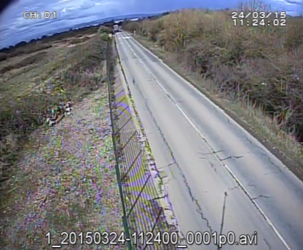
Arm A - Severn Road (N)

Arm B - Severn Road (S)

Junction Flow Profile
Arm Approach Flows (All Vehicles)
 | A to B (Southbound) | B to A (Northbound) | Two-way Total
0:00:00 | 16 | 6 | 22
0:15:00 | 10 | 11 | 21
0:30:00 | 7 | 9 | 16
0:45:00 | 5 | 2 | 7
1:00:00 | 14 | 7 | 21
1:15:00 | 10 | 3 | 13
1:30:00 | 4 | 8 | 12
1:45:00 | 11 | 4 | 15
2:00:00 | 6 | 4 | 10
2:15:00 | 7 | 9 | 16
2:30:00 | 4 | 16 | 20
2:45:00 | 7 | 9 | 16
3:00:00 | 6 | 14 | 20
3:15:00 | 18 | 14 | 32
3:30:00 | 7 | 7 | 14
3:45:00 | 13 | 12 | 25
4:00:00 | 15 | 5 | 20
4:15:00 | 9 | 24 | 33
4:30:00 | 25 | 11 | 36
4:45:00 | 18 | 22 | 40
5:00:00 | 17 | 20 | 37
5:15:00 | 19 | 40 | 59
5:30:00 | 34 | 67 | 101
5:45:00 | 57 | 50 | 107
6:00:00 | 68 | 51 | 119
6:15:00 | 75 | 63 | 138
6:30:00 | 74 | 72 | 146
6:45:00 | 87 | 88 | 175
7:00:00 | 102 | 69 | 171
7:15:00 | 96 | 76 | 172
7:30:00 | 126 | 66 | 192
7:45:00 | 136 | 89 | 225
8:00:00 | 130 | 62 | 192
8:15:00 | 115 | 79 | 194
8:30:00 | 108 | 86 | 194
8:45:00 | 83 | 54 | 137
9:00:00 | 86 | 59 | 145
9:15:00 | 54 | 42 | 96
9:30:00 | 72 | 56 | 128
9:45:00 | 51 | 51 | 102
10:00:00 | 50 | 36 | 86
10:15:00 | 60 | 40 | 100
10:30:00 | 44 | 53 | 97
10:45:00 | 55 | 38 | 93
11:00:00 | 45 | 57 | 102
11:15:00 | 55 | 43 | 98
11:30:00 | 40 | 52 | 92
11:45:00 | 60 | 52 | 112
12:00:00 | 55 | 48 | 103
12:15:00 | 47 | 40 | 87
...

Additional Notes (Factors which may impact on survey results such as accidents, roadworks, special events):

